Sheet1
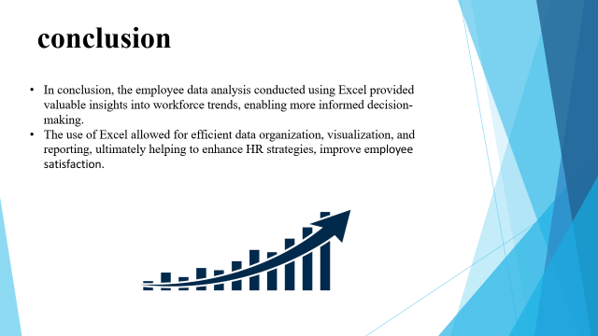
TN02570 | Grady Rochelle | Female | Accounting | 69163.39 | 43397 | 1 | Permanent | Remote
VT02801 | Shellysheldon Mahady | Female | Training | 114691.03 | 27-Jul-20 | 1 | Temporary | Wellington, New Zealand
SQ01177 | Riccardo Hagan | Male | Human Resources | 86556.96 | 30-Sep-20 | 1 | Permanent | Hyderabad, India
VT01740 | Ginger Myott | Male | Services | 31172.77 | 19-Jul-19 | 1 | Fixed Term | Remote
TN01876 | Aileen McCritchie | Female | Business Development | 80169.42 | 10-Aug-20 | 1 | Permanent | Auckland, New Zealand
VT02313 | Thekla Lynnett | Male | Training | 53949.26 | 43808 | 1 | Temporary | Columbus, USA
VT03988 | Oby Sorrel | Male | Support | 58935.92 | 9-Sep-19 | 1 | Temporary | Hyderabad, India
TN00227 | Lincoln Cord | Female | Support | 63555.73 | 24-Nov-20 | 1 | Permanent | Chennai, India
VT01092 | Tabby Astall | Female | Accounting | 57419.35 | 43305 | 1 | Fixed Term | Auckland, New Zealand
TN03169 | Doe Clubley | Male | Product Management | 67818.14 | Nov 2, 2018 | 0.6 | Fixed Term | Remote
SQ01402 | Julietta Culross | Female | NULL | 44403.77 | 43416 | 1 | Permanent | Hyderabad, India
SQ00360 | Orlando Gorstidge | Female | Marketing | 40753.54 | 43152 | 0.6 | Permanent | Wellington, New Zealand
PR02208 | Vernor Atyea | Male | Training | 102934.09 | 29-Apr-21 | 1 | Permanent | Hyderabad, India
SQ01637 | Joaquin McVitty | Female | Sales | 68860.4 | 43508 | 0.4 | Permanent | Columbus, USA
TN03210 | Kellsie Waby | Male | Training | 79567.69 | 43272 | 1 | Fixed Term | Chennai, India
PR03844 | Brose MacCorkell | Male | Human Resources | 35943.62 | 44078 | 1 | Permanent | Columbus, USA
VT04093 | Ewart Hovel | Female | Training | 116767.63 | 43949 | 0.4 | Temporary | Chennai, India
SQ02246 | Matias Cormack | Female | Research and Development | 85455.53 | 43839 | 1 | Permanent | Wellington, New Zealand

data set analysis

